Problem
Activity | Option | Duration | daily resource requirement | total cost | Cost per day | 100
A | 1 | 0 | 0 | 0
B | 1 | 2 | 1 | 135
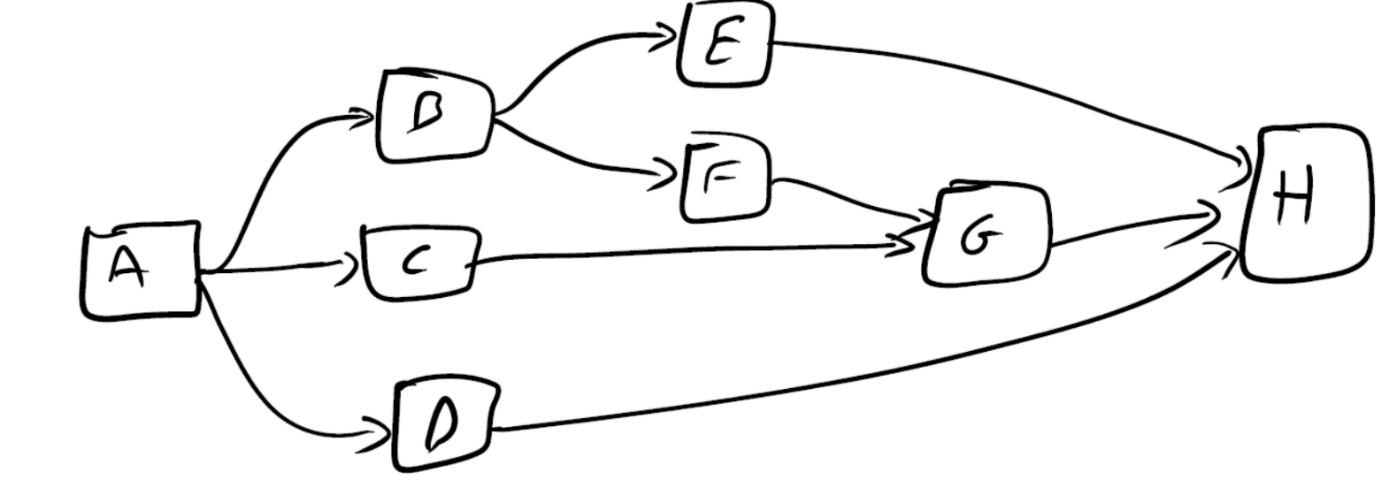
 | 2 | 3 | 0 | 65
C | 1 | 1 | 1 | 160
 | 2 | 3 | 0 | 90
D | 1 | 3 | 1 | 170
 | 2 | 4 | 0 | 100
E | 1 | 5 | 1 | 155
 | 2 | 7 | 0 | 85
F | 1 | 4 | 1 | 150
 | 2 | 6 | 0 | 80
G | 1 | 1 | 1 | 190
 | 2 | 4 | 0 | 120
H | 1 | 0 | 0 | 0

Resource const. |  |  | 1

